Resource_Allocation
 | JELLY PRODUCTION SHOPS


Initial Conditions |  |  |  | Knowledge from previous analysis
Monthly number of Jelly orders from Client |  |  | 40,000 | Max Decrease for Raw Materials | 1.0% | Max Increase | 5%
Monthly average order cost per Client |  |  | $9,500 | Mthly Increase rate for Raw Materials | 1.0% | Std Dev | $9
Monthly Discount amount per Client |  |  | $2,150 | <-- Constant

 | Number of | Company | Avg Order Cost | Monthly |  | Jelly Order
Month | Jelly Orders | Discount | perClient | Cost |  | Cost
1 | 13,000 | $27,950,000.00 | $6,050.00 | $78,650,000 |  | $50,700,000
2 | 10,400 | $22,360,000.00 | $8,200.00 | $85,280,000 |  | $62,920,000
3 | 11,030 | $23,714,500.00 | $10,000.00 | $110,300,000 |  | $86,585,500
4 | 11,030 | $23,714,500.00 | $6,005.00 | $66,235,150 |  | $42,520,650
5 | 11,030 | $23,714,500.00 | $3,120.00 | $34,413,600 |  | $10,699,100
6 | 11,030 | $23,714,500.00 | $2,340.00 | $25,810,200 |  | $2,095,700
7 | 11,030 | $23,714,500.00 | $7,000.00 | $77,210,000 |  | $53,495,500
8 | 11,030 | $23,714,500.00 | $8,500.00 | $93,755,000 |  | $70,040,500
9 | 11,030 | $23,714,500.00 | $7,430.00 | $81,952,900 |  | $58,238,400
10 | 11,030 | $23,714,500.00 | $6,503.00 | $71,728,090 |  | $48,013,590
11 | 11,030 | $23,714,500.00 | $2,670.00 | $29,450,100 |  | $5,735,600
12 | 11,030 | $23,714,500.00 | $6,450.00 | $71,143,500 |  | $47,429,000
 |  |  |  |  | Total Jelly Cost | $538,473,540

 | In this Table we can see that indoer to run my business for one year I need to allocate $5,049,966,422 to run the company for 12 months.

Charts
 |  | Figure 1 |  | Figure 2
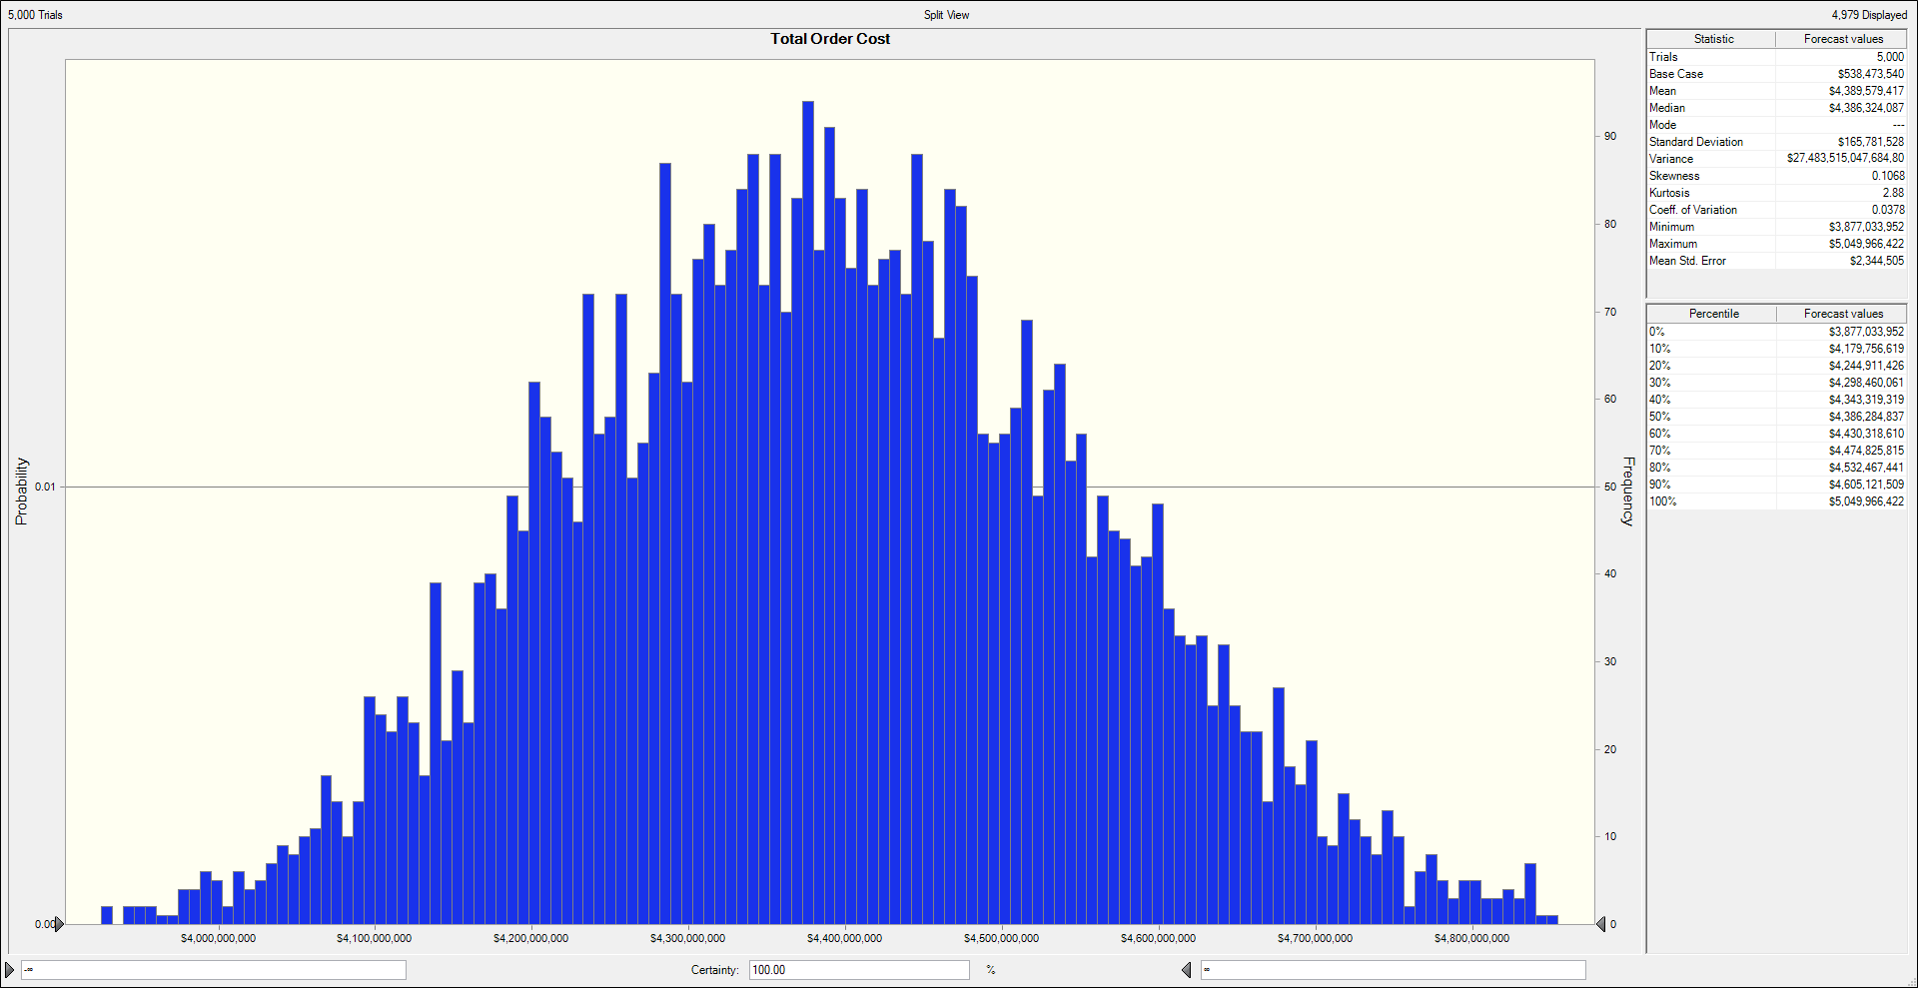
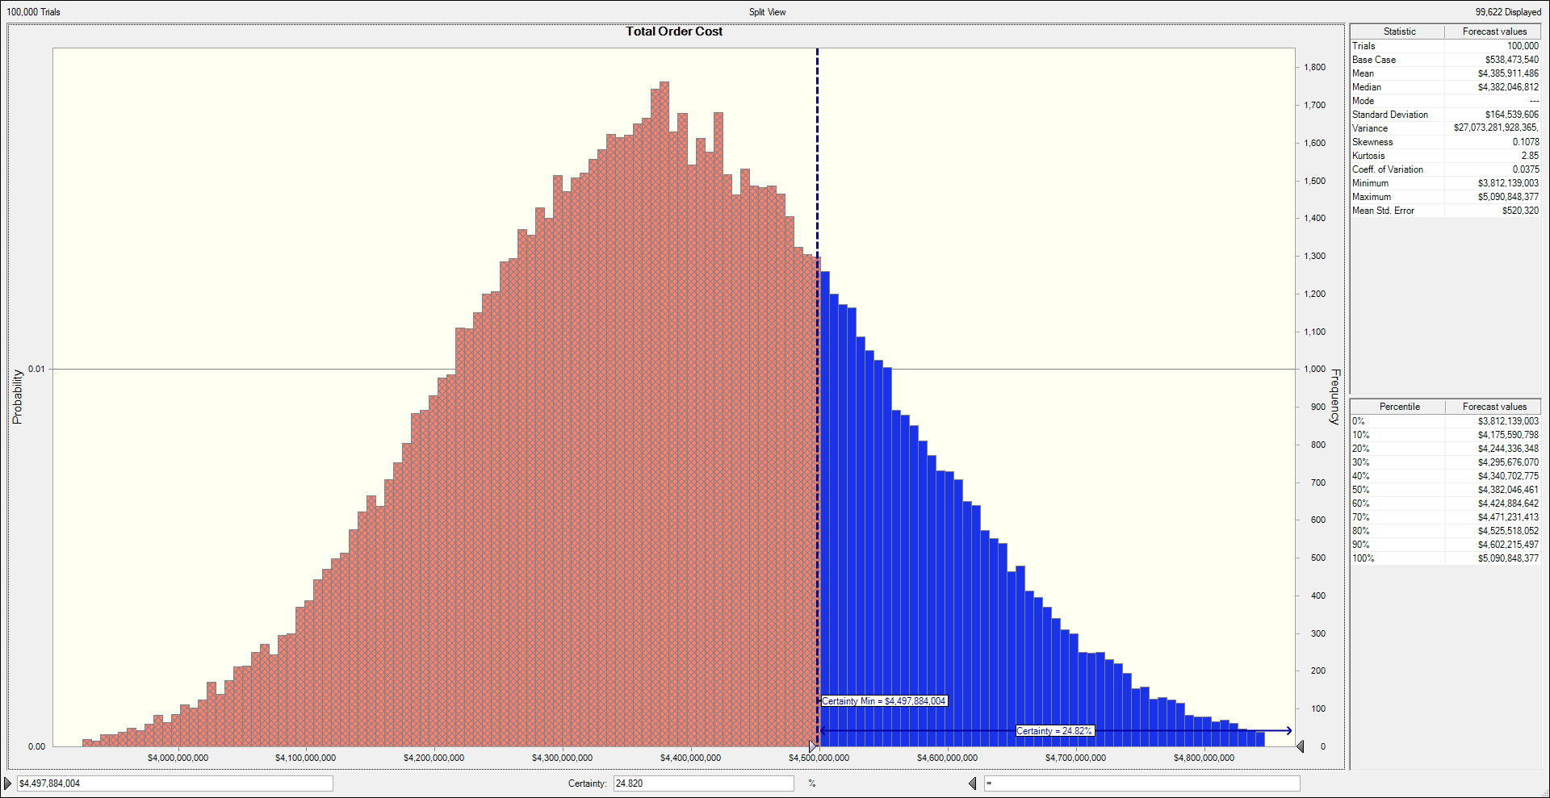

Figure 1 above shows that if the Company is suppose to give discount to their clients for 12 months, it means |  |  | Figure 2 shows that if the company wants to invest in $4,497,884,004 theres is 24.820%
they have to budget an amount of $5,049,966,422 to fully run this initiative without running out of loss. |  |  | certainty that the company will not run out of funds for providing discounts for their clients.

 |  | Figure 3

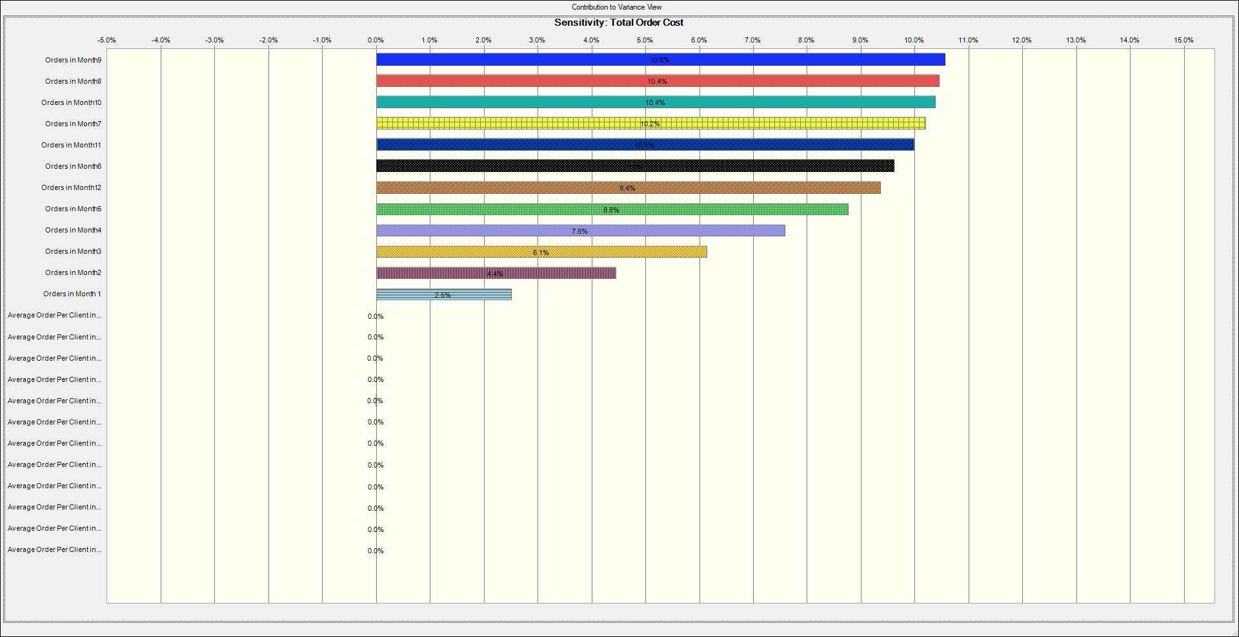

 | Figure 3 shows that orders in month 9,8 & 10 has the greatest impact on the total money to
 | allocate to enable provide discounts for clients. Also, theres might be the probability that in month 9,8 & 10
 | there would be more orders fro clients and therefore much funds must be allocated to enhance cover the
 | full cost of discounts allocated to clients.

